BM
 |  |  | CALCULATION SHEET |  | By: |  |  |  Basis for Moment-Thrust Curve
 |  |  |  |  | Dated : | 2024-06-11
 |  |  |  |  | Checked: |  |  | Rectangular Stress Block Diagram for SFRC |  |  |  | Rectangular Stress Block Diagram for Plain Concrete
F_{ct}
d
γk_{u}d
0.9(d-k_{u}d)
k_{u}d
M_{u}
NA
F_{cu}
f_{e}
d
γk_{u}d
k_{u}d
M_{u}
F_{cu}
NA
 |  |  |  |  | Dated : | 2024-06-11
Project: |  |  |  |  | Verified:
Structure: |  |  |  |  | Dated : | 2024-06-11
Calculation of Steel Fibre Reinforced Concrete Capacity |  |  |  |  |  |  |  |  |  |  |  |  |  |  |  |  |  | Minimum eccentricity (for graph)
 |  |  |  |  |  |  |  |  |  |  |  |  |  |  |  |  |  |  | emax = 0.05D | 5 | mm
 |  |  |  |  |  |  |  |  |  |  |  |  |  |  |  |  |  |  |  | Nuo | Mmax
 | Reference: AS5100 - Bridge Design |  |  |  |  |  |  |  |  |  |  |  |  |  |  |  |  |  | 0.95 f Nu | 1,938 | -9.7 |  | 0 | 0
 |  |  |  |  |  |  |  |  |  |  |  |  |  |  |  |  |  |  |  | 0 | 0 |  | 9.0275862069 | 1805.5172414
 | Overall depth of section, D |  |  | 100 | mm |  | Design value |  |  |  |  |  |  |  |  |  |  |  |  | 1,938 | 9.7 |  | 0 | 1805.5172414
 | Section width, b |  |  | 1,000 | mm |  | Design value
 | Characteristic compressive concrete cylinder strength, f 'c |  |  | 40 | MPa |  | Design value |  |  |  |  |  |  |  |  |  |  |  |  | 0 | 200
 | Fibre tension loss, hfl |  |  | 25 | mm |  | Design value |  |  |  |  |  |  |  |  |  |  |  |  | 2040 | -25.974025974
 | Maximum design compressive stress of concrete, α f'c |  |  | 34 | MPa
 | Characteristic flexural tensile strength of concrete, f'cf |  |  | 3.79 | MPa
 | Design Residual Flexural Strength, f'eq |  |  | 3.00 | MPa |  | Design value
 | Residual Characteristic Flexural Strength fe |  |  | 1.11 | MPa
 | Coefficient, α |  |  | 0.85
 | Factor, g |  |  | 0.77 |  |  |  |  |  |  |  |  |  |  |  |  |  |  | Compression cut-off |  | 1
 | Reduction factor, f |  |  | 0.60 |  |  |  | Calculation of ultimate column capacity with bending
 |  | SFRC Moment -Thrust Curve |  |  |  |  |  |  |  | Compression |  | Tension |  |  |  |  |  |  | SFRC |  | PLAIN CONCRETE
 | Plain Concrete |  | Min. Eccentricity |  | Envelope |  | ST3-Crown-Final |  | ST3-Crown-Construction Loading
0 | 0 | 0 | 0 | 0 | -33 | 13.658925 | 857.13 | 6.108225 | 647.19
0 | 4 | 9.0275862069 | 1805.5172414 | 1 | -43 | 3.164025 | 446.79 | 5.92605 | 414.39
4 | 79 | 0 | 1805.5172414 | 1 | -39 | 8.984925 | 943.05 | 3.64335 | 447.96
7 | 157 |  |  | 5 | 38 | 3.9144 | 523.215 | 4.581 | 685.185
10 | 236 |  |  | 8 | 120 | 17.10825 | 984.495 | 1.895025 | 468.945
13 | 314 |  |  | 11 | 201 | 2.431335 | 615.54 | 14.1297 | 960.585
16 | 393 |  |  | 14 | 283 | 3.59025 | 1047.075 | 3.798675 | 540.72
18 | 471 |  |  | 17 | 364 | 4.7679 | 1142.43 | 9.327375 | 1056
20 | 550 |  |  | 19 | 446 | 4.772325 | 1142.43 | 4.194075 | 621.765
22 | 628 |  |  | 21 | 527 | 4.772325 | 1199.13 | 17.48325 | 1105.56
23 | 707 |  |  | 22 | 609 | 4.827975 | 682.92 | 2.4324975 | 721.995
24 | 785 |  |  | 24 | 691 | 0.8738025 | 1211.7 | 3.37395 | 1175.745
25 | 864 |  |  | 25 | 772 | 2.719725 | 871.08 | 4.6041 | 1277.13
25 | 942 |  |  | 25 | 854 | 3.86625 | 1264.83 | 5.62335 | 1277.13
25 | 1021 |  |  | 26 | 935 | 2.502375 | 1303.53 | 5.62335 | 1337.775
25 | 1100 |  |  | 26 | 1017 | 3.19365 | 942.135 | 4.9191 | 787.845
25 | 1178 |  |  | 25 | 1098 | 9.8724 | 1353.48 | 0.0575775 | 1348.965
24 | 1257 |  |  | 25 | 1180 | 6.5751 | 1412.16 | 2.9256 | 974.52
23 | 1335 |  |  | 24 | 1261 | 5.4333 | 1423.35 | 3.2324175 | 1401.81
22 | 1414 |  |  | 23 | 1343 | 2.1078 | 1454.475 | 2.86302 | 1436.625
20 | 1492 |  |  | 21 | 1424 | 1.5483 | 1454.505 | 3.243225 | 1041.9
18 | 1571 |  |  | 19 | 1506 | 1.34343 | 1454.505 | 10.0725 | 1482.015
0 | 2040 |  |  | 17 | 1587 | 7.74465 | 975 | 6.0663 | 1539.3
 |  |  |  | 9 | 1806 | 1.257765 | 1454.475 | 5.17395 | 1550.25
 |  |  |  | 0 | 1806 | 1.1725575 | 1455.27 | 1.7829525 | 1580.7
 |  |  |  |  |  | 1.54095 | 1454.13 | 1.175205 | 1580.7
 |  |  |  |  |  | 10.793475 | 1005.225 | 0.960075 | 1580.7
 |  |  |  |  |  | 4.265475 | 1453.65 | 7.8489 | 1075.125
 |  |  |  |  |  | 12.3363 | 1009.8 | 0.870135 | 1580.7
 |  |  |  |  |  | 7.31985 | 1453.185 | 0.7806225 | 1581.45
 |  |  |  |  |  | 10.1274 | 1042.68 | 1.9941 | 1580.1
 |  |  |  |  |  | 10.28655 | 1453.305 | 10.860075 | 1109.61
 |  |  |  |  |  | 6.290025 | 1085.895 | 4.77975 | 1579.5
 |  |  |  |  |  | 1.459785 | 1127.745 | 12.31815 | 1115.13
 |  |  |  |  |  | 14.170875 | 1153.56 | 7.9023 | 1578.9
 |  |  |  |  |  | 15.126 | 1149.93 | 9.866025 | 1149.42
 |  |  |  |  |  | 2.038125 | 1468.095 | 10.85715 | 1577.85
 |  |  |  |  |  | 9.2622 | 1149.3 | 5.879625 | 1193.895
 |  |  |  |  |  | 2.940375 | 1148.685 | 2.103135 | 1236.66
 |  |  |  |  |  | 2.0085 | 1529.85 | 15.122325 | 1262.73
 |  |  |  |  |  | 0.00909375 | 1144.305 | 16.0485 | 1259.01
 |  |  |  |  |  | 2.015025 | 1559.7 | 1.186125 | 1558.35
 |  |  |  |  |  | 0.8150775 | 1143.345 | 9.29055 | 1258.23
 |  |  |  |  |  | 0.4062375 | 1573.8 | 2.0114325 | 1257.495
 |  |  |  |  |  | 2.763675 | 1154.52 | 1.85655 | 1585.5
 |  |  |  |  |  | 0.09868575 | 1179.36 | 0.10937775 | 1236.165
 |  |  |  |  |  | 0.462975 | 1188.975 | 1.977075 | 1604.55
 |  |  |  |  |  | 15.19245 | 1606.05 | 0.8250975 | 1208.31
 |  |  |  |  |  | 3.602325 | 1605.45 | 0.67173 | 1597.35
 |  |  |  |  |  | 1.2486375 | 1604.1 | 3.265125 | 1198.95
...
 |  |  |  |  |  |  |  | Depth to Neutral Axis |  | Fcu | Lever Arm | Fct | Lever arm | Nu | Mu |  | Unreinforced |  | fMu | fNu | fMu | fNu
 |  |  |  |  |  |  |  | Ku | kud | αf'cgkud | 0.5gkud | 0.9(d-kud)fe | d-0.5g(d-kud) | Fct + Fcu |  |  |  |  | f = | 0.60 | f = | 0.60
 |  |  |  |  |  |  |  |  | (mm) | (N/mm) | (mm) | (N/mm) | (mm) | (N/mm) |  |  | Nu | Mu
 |  |  |  |  |  |  |  | - | Full Tension | 0 |  | -55.5 |  | -55.5 | 0 | -55.5 | 0 | 0 | 0 | -33 |  |  |  | 0 | -33
 |  |  |  |  |  |  |  | 0 | 0 | 0 | 0 | -72.15 | 66.25 | -72.15 | 1.1724375 | -72.15 | 0 | 0 | 1 | -43 | 0 | 0 |  | 1 | -43
 |  |  |  |  |  |  |  | 0.0025 | 0 | 7 | 0.09625 | -71.90025 | 66.3625 | -65.35525 | 1.5030878844 | -65.35525 | 6.545 | 0.32662004375 | 1 | -39 | 0 | 4 |  | 1 | -39
 |  |  |  |  |  |  |  | 0.05 | 5 | 131 | 1.925 | -67.155 | 68.5 | 63.745 | 7.535385 | 63.745 | 130.9 | 6.2930175 | 5 | 38 | 4 | 79 |  | 5 | 38
 |  |  |  |  |  |  |  | 0.1 | 10 | 262 | 3.85 | -62.16 | 70.75 | 199.64 | 13.37189 | 199.64 | 261.8 | 12.08207 | 8 | 120 | 7 | 157 |  | 8 | 120
 |  |  |  |  |  |  |  | 0.15 | 15 | 393 | 5.775 | -57.165 | 73 | 335.535 | 18.6819525 | 335.535 | 392.7 | 17.3671575 | 11 | 201 | 10 | 236 |  | 11 | 201
 |  |  |  |  |  |  |  | 0.2 | 20 | 524 | 7.7 | -52.17 | 75.25 | 471.43 | 23.4655725 | 471.43 | 523.6 | 22.14828 | 14 | 283 | 13 | 314 |  | 14 | 283
 |  |  |  |  |  |  |  | 0.25 | 25 | 655 | 9.625 | -47.175 | 77.5 | 607.325 | 27.72275 | 607.325 | 654.5 | 26.4254375 | 17 | 364 | 16 | 393 |  | 17 | 364
 |  |  |  |  |  |  |  | 0.3 | 30 | 785 | 11.55 | -42.18 | 79.75 | 743.22 | 31.453485 | 743.22 | 785.4 | 30.19863 | 19 | 446 | 18 | 471 |  | 19 | 446
 |  |  |  |  |  |  |  | 0.35 | 35 | 916 | 13.475 | -37.185 | 82 | 879.115 | 34.6577775 | 879.115 | 916.3 | 33.4678575 | 21 | 527 | 20 | 550 |  | 21 | 527
 |  |  |  |  |  |  |  | 0.4 | 40 | 1047 | 15.4 | -32.19 | 84.25 | 1015.01 | 37.3356275 | 1015.01 | 1047.2 | 36.23312 | 22 | 609 | 22 | 628 |  | 22 | 609
 |  |  |  |  |  |  |  | 0.45 | 45 | 1178 | 17.325 | -27.195 | 86.5 | 1150.905 | 39.487035 | 1150.905 | 1178.1 | 38.4944175 | 24 | 691 | 23 | 707 |  | 24 | 691
 |  |  |  |  |  |  |  | 0.5 | 50 | 1309 | 19.25 | -22.2 | 88.75 | 1286.8 | 41.112 | 1286.8 | 1309 | 40.25175 | 25 | 772 | 24 | 785 |  | 25 | 772
 |  |  |  |  |  |  |  | 0.55 | 55 | 1440 | 21.175 | -17.205 | 91 | 1422.695 | 42.2105225 | 1422.695 | 1439.9 | 41.5051175 | 25 | 854 | 25 | 864 |  | 25 | 854
 |  |  |  |  |  |  |  | 0.6 | 60 | 1571 | 23.1 | -12.21 | 93.25 | 1558.59 | 42.7826025 | 1558.59 | 1570.8 | 42.25452 | 26 | 935 | 25 | 942 |  | 26 | 935
 |  |  |  |  |  |  |  | 0.65 | 65 | 1702 | 25.025 | -7.215 | 95.5 | 1694.485 | 42.82824 | 1694.485 | 1701.7 | 42.4999575 | 26 | 1017 | 25 | 1021 |  | 26 | 1017
 |  |  |  |  |  |  |  | 0.7 | 70 | 1833 | 26.95 | -2.22 | 97.75 | 1830.38 | 42.347435 | 1830.38 | 1832.6 | 42.24143 | 25 | 1098 | 25 | 1100 |  | 25 | 1098
 |  |  |  |  |  |  |  | 0.75 | 75 | 1964 | 28.875 | 2.775 | 100 | 1966.275 | 41.3401875 | 1966.275 | 1963.5 | 41.4789375 | 25 | 1180 | 25 | 1178 |  | 25 | 1180
 |  |  |  |  |  |  |  | 0.8 | 80 | 2094 | 30.8 | 7.77 | 102.25 | 2102.17 | 39.8064975 | 2102.17 | 2094.4 | 40.21248 | 24 | 1261 | 24 | 1257 |  | 24 | 1261
 |  |  |  |  |  |  |  | 0.85 | 85 | 2225 | 32.725 | 12.765 | 104.5 | 2238.065 | 37.746365 | 2238.065 | 2225.3 | 38.4420575 | 23 | 1343 | 23 | 1335 |  | 23 | 1343
 |  |  |  |  |  |  |  | 0.9 | 90 | 2356 | 34.65 | 17.76 | 106.75 | 2373.96 | 35.15979 | 2373.96 | 2356.2 | 36.16767 | 21 | 1424 | 22 | 1414 |  | 21 | 1424
 |  |  |  |  |  |  |  | 0.95 | 95 | 2487 | 36.575 | 22.755 | 109 | 2509.855 | 32.0467725 | 2509.855 | 2487.1 | 33.3893175 | 19 | 1506 | 20 | 1492 |  | 19 | 1506
 |  |  |  |  |  |  |  | 1 | 100 | 2618 | 38.5 | 27.75 | 111.25 | 2645.75 | 28.4073125 | 2645.75 | 2618 | 30.107 | 17 | 1587 | 18 | 1571 |  | 17 | 1587
 |  |  |  |  |  |  |  |  | Full Compression | 3400 | - |  |  | 3400 | 0 | 3400 | 3400 | 0 | 0 | 2040 | 0 | 2040 |  | 9.0275862069 | 1805.5172414
 |  |  |  |  |  |  |  |  |  |  |  |  |  |  |  |  |  |  |  |  |  |  |  | 0 | 1805.5172414

SF
 |  |  | CALCULATION SHEET |  | By: |  |  | Calculation of ultimate column capacity with shear |  |  |  |  | Steel fibre as TR63
 |  |  |  |  | Dated : | 2024-06-11 |  | TR63 Section 6.3 |  |  |  |  | Section 6.3.1 beam shear stats the equations for shear resistance of reinforced concrete without web reinforcement.
 |  |  |  |  | Checked: |  |  | EC2 Section 6.2.2 |  |  |  |  | The design shear strength of SFRC slabs without reinforcement bars for flexure shall follow equations 39 to 43, which are based on the ENV version of Eurocode 2.
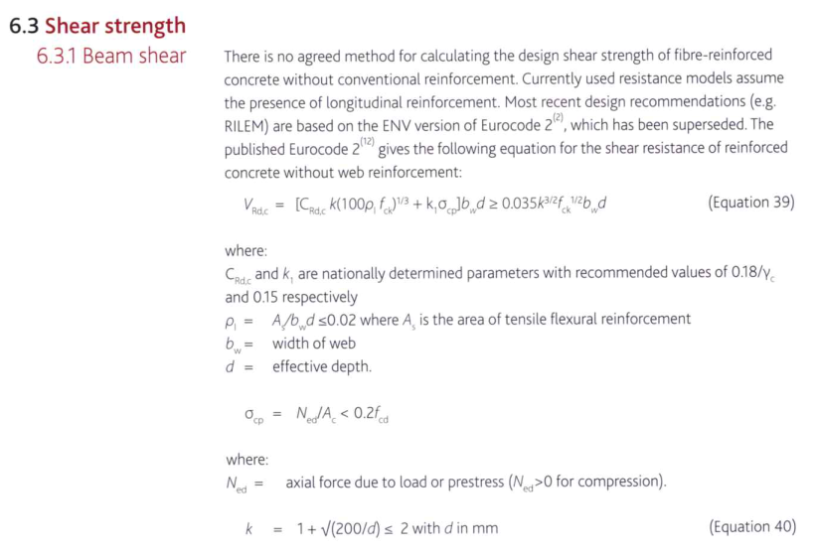
 |  |  |  |  | Dated : | 2024-06-11 |  |  | Depth to neutral axis | Axial capacity | Compressive stress | Shear Strength
Project: |  |  |  |  | Verified: |  |  |  |  |  |  |  | k | 2
Structure: |  |  |  |  | Dated : | 2024-06-11 |  | ku | ku D | fNu | σcp | fVRd.c | fck | 40 | MPa
Calculation of Steel Fibre Reinforced Concrete Capacity |  |  |  |  |  |  |  |  |  |  |  |  | Vmin | 626.0990337 | kPa
 |  |  |  |  |  |  |  |  | [mm] | [kN] | [MPa] | [kN] | Vfd | 0.336 | MPa
 |  |  |  |  |  |  |  | Full Tension |  |  |  |  | k1 | 0.15
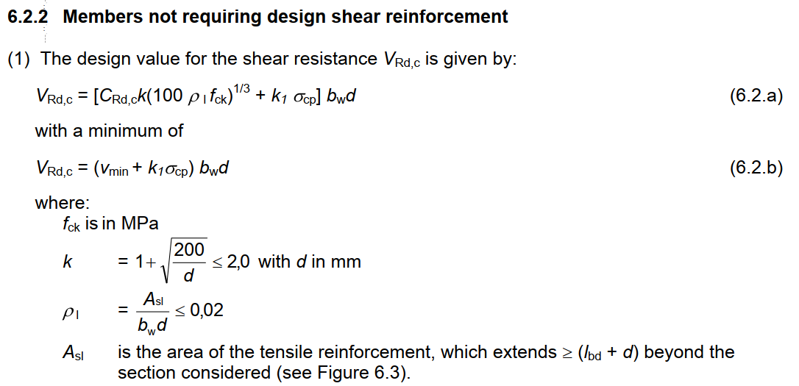
 | Reference: TR63 |  |  |  |  |  |  | 0 | 0 | 0 | 0.00 | 96.21
 |  |  |  |  |  |  |  | 0.05 | 5 | 133.33333333 | 1.33 | 116.21
 | Overall depth of section, D |  |  | 100 | mm |  |  | 0.1 | 10 | 266.66666667 | 2.67 | 136.21
 | Section width, b |  |  | 1,000 | mm |  |  | 0.15 | 15 | 400 | 4.00 | 156.21
 | Characteristic compressive concrete cylinder strength, f 'c |  |  | 40 | MPa |  |  | 0.2 | 20 | 533.33333333 | 5.33 | 176.21
 | Design Residual Flexural Strength, f'eq |  |  | 3.0 | MPa |  |  | 0.25 | 25 | 666.66666667 | 5.33 | 176.21
 | Coefficient, α |  |  | 0.85 |  |  |  | 0.3 | 30 | 800 | 5.33 | 176.21
 | Factor, g |  |  | 0.77 |  |  |  | 0.35 | 35 | 933.33333333 | 5.33 | 176.21
 | Shear strength material factor, g |  |  | 1.5 |  |  |  | 0.4 | 40 | 1066.6666667 | 5.33 | 176.21
 | Concrete design strength in compression, fcd |  |  | 27 | MPa |  |  | 0.45 | 45 | 1200 | 5.33 | 176.21
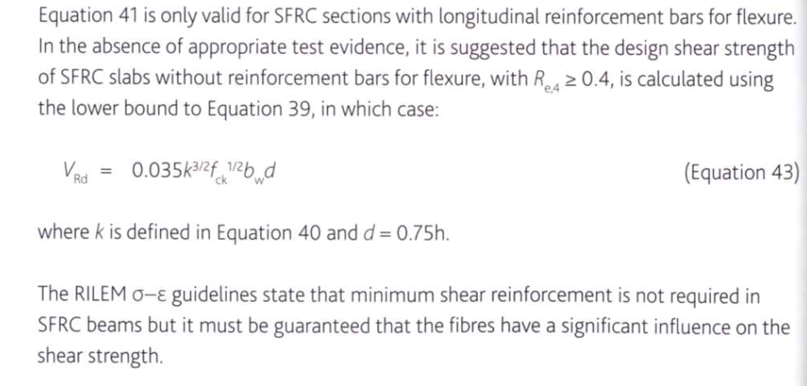
 | Concrete design strength in tension, fctd |  |  | 0.74 | MPa |  |  | 0.5 | 50 | 1333.3333333 | 5.33 | 176.21
 | Concrete compressive stress, sc,lim |  |  | 17.7 | MPa |  |  | 0.55 | 55 | 1466.6666667 | 5.33 | 176.21
 |  |  |  |  |  |  |  | 0.6 | 60 | 1600 | 5.33 | 176.21
 |  | SFRC Shear -Thrust Curve |  |  |  |  |  | 0.65 | 65 | 1733.3333333 | 5.33 | 176.21
 | Plain Concrete/SFRC |  | LC1 |  | LC2
 |  | 0 | 1000 | 0 | 0
96.21 | 0 | 0 | 0
116.21 | 133.33333333 | 0 | 0
136.21 | 266.66666667 | 0 | 0
156.21 | 400 | 0 | 0
176.21 | 533.33333333 | 0 | 0
176.21 | 666.66666667 | 0 | 0
176.21 | 800 | 0 | 0
176.21 | 933.33333333 | 0 | 0
176.21 | 1066.6666667 | 0 | 0
176.21 | 1200 | 0 | 0
176.21 | 1333.3333333 | 0 | 0
176.21 | 1466.6666667 | 0 | 0
176.21 | 1600 | 0 | 0
176.21 | 1733.3333333 | 0 | 0
176.21 | 1866.6666667 | 0 | 0
176.21 | 2000 | 0 | 0
176.21 | 2000 | 0 | 0
176.21 | 2000 | 0 | 0
176.21 | 2000 | 0 | 0
176.21 | 2000 | 0 | 0
176.21 | 2000 | 0 | 0
176.21 | 2000 | 0 | 0
0.00 | 2000 | 0 | 0
 |  | 0 | 0
 |  | 0 | 0
 |  | 0 | 0
 |  | 0 | 0
 |  | 0 | 0
 |  | 0 | 0
 |  | 0 | 0
 |  | 0 | 0
 |  | 0 | 0
 |  | 0 | 0
 |  | 0 | 0
 |  | 0 | 0
 |  | 0 | 0
 |  | 0 | 0
 |  | 0 | 0
 |  | 0 | 0
 |  | 0 | 0
 |  | 0 | 0
 |  | 0 | 0
 |  | 0 | 0
 |  | 0 | 0
 |  | 0 | 0
 |  | 0 | 0
 |  | 0 | 0
 |  |  |  |  |  |  |  | 0.7 | 70 | 1866.6666667 | 5.33 | 176.21
 |  |  |  |  |  |  | Cut off at 75% | 0.75 | 75 | 2000 | 5.33 | 176.21
 |  |  |  |  |  |  |  | 0.8 | 80 | 2000 | 5.33 | 176.21
 |  |  |  |  |  |  |  | 0.85 | 85 | 2000 | 5.33 | 176.21
 |  |  |  |  |  |  |  | 0.9 | 90 | 2000 | 5.33 | 176.21
 |  |  |  |  |  |  |  | 0.95 | 95 | 2000 | 5.33 | 176.21
 |  |  |  |  |  |  |  | 1 | 100 | 2000 | 5.33 | 176.21
 |  |  |  |  |  |  |  | Full Compression |  | 2000 | 5.33 | 176.21
 |  |  |  |  |  |  |  |  |  | 2000 | 5.33 | 0.00

